Schematic checklist
npm1100 Schematic Checklist |  | Date: | 18.2.2026 |  |  |  |  |  | OK
 |  |  |  |  |  |  |  |  | NOK
Pin QFN | Pin CSP | Pin Name | Direction | Type | AbsMax [V] | Function | Connection | Component spec | Reviewed | Review Notes
1 | B5 | VOUTB | Input | Analog | VSYS + 0.3 | Buck output voltage feedback | Connect to Buck output capacitor. Connect to DEC/VSYS if not used, for biasing it to known level and avoiding leakage. | Capacitance 10uF nominal Min 4uF effective Max 20uF effective Voltage rating 6.3V or higher Increasing capacitance has effect on the startup time and VSYS drop during startup. |  | Check DC bias effect of the capacitor
2 | B3 | VOUTBSET1 | Input | Digital | VSYS + 0.3 | Buck regulator output voltage selection | Connect to GND = low, or DEC/VSYS = high based on table below
3 | B4 | VOUTBSET0 | Input | Digital | VSYS + 0.3 | Buck regulator output voltage selection
4 | C4,C5 | AVSS |  | Power |  | Analog/Digital ground | Connect to GND
5 | D5 | ISET | Input | Digital | VSYS + 0.3 | VBUS current limit selection 0mA to 100mA (SDP mode only) 1mA to 500mA | 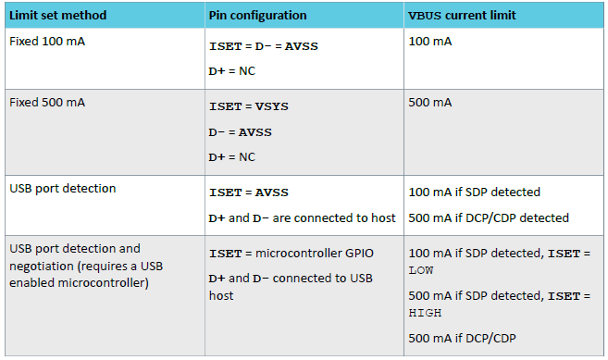 Connect ISET, D+, D- as follows depending on required VBUS current limit setting:
6 | D4 | SHPACT | Input | Digital | VSYS + 0.3 | Shipping mode activate | Connect to SoC GPIO or test pin that us used for activating ship mode. Pin has internal 500kohm pull-down. Connect to GND if not used
7 | E5 | MODE | Input | Digital | VSYS + 0.3 | Buck operation mode selection. | Connect to GND = low or DEC/VSYS = high. Alternatively can be driven with SoC GPIO Low = Automatic selection between Hysteretic and PWM modes High = Forced PWM mode
8 | E4 | CHG | Output | Analog | VSYS + 0.3 | Charging led output, 5mA constant current sink. Enabled when battery is charging | Connect to LED cathode. Alternatively use pull-up resistor and connect to SoC GPIO for monitoring. Leave floating if not used. Test point recommended for debugging purposes if LED is not used
9 | C3 | VTERMSET | Input | Digital | VSYS + 0.3 | Battery charging termination voltage selection. Toggle only when device is in power off. | Depending on product option, charging termination voltage can be set as follows. Low = GND, high = DEC/VSYS
10 | E3 | ERR | Output | Analog | VSYS + 0.3 | Charging led output, 5mA constant current sink. Enabled when charging error detected | Connect to LED cathode. Alternatively use pull-up resistor and connect to SoC GPIO for monitoring. Leave floating if not used. Test point recommended for debugging purposes if LED is not used
11 | D3 | SHPHLD | Input | Digital | VSYS + 0.3 | Shipping mode hold | Connect to a button or other similar circuitry for exiting ship mode by pulling the pin low. Use weak pull up resistor to VBAT (e.g. 100kohm). Connect to GND if not used.
12 | E2 | ICHG | Input | Analog | VSYS + 0.3 | Charge current limiting resistor | Connect to R_ICHG resistor
13 |  | NC |  |  |  | Not connected | Leave floating
14 | E1 | NTC | Input | Analog | VSYS + 0.3 | NTC resistor input | Connect to battery pack NTC. If NTC is not used, use 10kohm normal resistor instead
15 | D1,D2 | VBAT | Input | Power | 5.5 | Battery input | Connect to battery and VBAT bypass capacitor | Capacitance 1uF nominal Voltage rating 6.3V or higher
16 | C1,C2 | VSYS | Output | Power | 5.5 | System voltage output. Automatically enabled after power-on reset | Connect to VSYS capacitor. VSYS can be also used as a supply for other circuitry. | Capacitance 10uF nominal 4uF effective minimum Voltage rating 6.3V or higher in addition to the buck input capacitors placed on PVDD Consider adding smaller high frequency bypass capacitor (10nF or 100nF) for EMI reduction |  | Check DC bias effect of the capacitor
17 | B1, B2 | VBUS | Input | Power | 20 | USB supply | Connect to USB VBUS and VBUSIN capacitor | Capacitance 2.2uF nominal See USB specification for max capacitance limitations. Check carefully the voltage rating of the capacitor for the use case. Voltage rating of the VBUS pin is 20V and if up to 20V voltage transients are expected the capacitor should be selected accordingly. |  | Check DC bias effect and voltage rating of the capacitor
18 |  | NC |  |  |  | Not connected | Leave floating
19 | A1 | D- | Digital | Input | VSYS + 0.3 | USB D- data line | Connect to USB data line or alternatively use this pin for setting the VBUS current limit. See ISET pin description for details
20 | A2 | D+ | Digital | Input | VSYS + 0.3 | USB D+ data line | Connect to USB data line or alternatively use this pin for setting the VBUS current limit. See ISET pin description for details
21 | A3 | DEC | Output | Power | 5.5 | System decoupling capacitor connection. Connected to VSYS internally. | Connect to decoupling capacitor if buck is used. If buck is not used can be left floating | Capacitance 10uF nominal 4uF effective minimum Voltage rating 6.3V or higher in addition to the buck input capacitors placed on PVDD Consider adding smaller high frequency bypass capacitor (10nF or 100nF) for EMI reduction |  | Check DC bias effect of the capacitor
22 | A4 | SW | Output | Power | 5.5 | Buck switch output to inductor | Connect to output inductor. Leave floating if not used | Inductance 2.2uH (+/-20%) ISAT >350mA ITEMP >200mA DCR < 400mohm |  | Check saturation current of the inductor
23 | A5 | PVSS |  | Power |  | Buck power stage ground | Connect to ground
24 |  | NC |  |  |  | Not connected | Leave floating
EPAD |  | AVSS |  | Power |  | Analog/Digital ground | Connect to ground

